Guidance
Guidance on reading EUCAST Breakpoint Tables |  |  |  |  |  | EUCAST Clinical Breakpoint Tables v. 8.1, valid from 2018-05-15

EUCAST methodology and quality control for MIC determination
EUCAST methodology and quality control for disk diffusion
MIC determination (broth microdilution according to ISO standard 20776-1) Medium: Inoculum: Incubation: Reading: Quality control: |  |  |  |  |  | Disk diffusion (EUCAST standardised disk diffusion method) Medium: Inoculum: Incubation: Reading: Quality control:
The intermediate category is not listed but is interpreted as the values between the S and the R breakpoints. If the S and R breakpoints are the same value there is no intermediate category.
Agent A: No intermediate category
Agent B: Intermediate category: 4 mg/L, 23-25 mm
Agent G: Intermediate category: 1-2 mg/L, 24-29 mm

Breakpoints with a species name apply only to that particular species (in this example S. aureus)

Antimicrobial agent | MIC breakpoint (mg/L) |  | Disk content (µg) | Zone diameter breakpoint (mm) |  | Notes Numbered notes relate to general comments and/or MIC breakpoints. Lettered notes relate to the disk diffusion method.
 | S ≤ | R > |  | S ≥ | R <
Antimicrobial agent A | 11 | 11 | X | 20A | 20A | 1. Notes that are general comments and/or relating to MIC breakpoints. 2. New comment Removed comment A. Comment on disk diffusion
Antimicrobial agent B, S. aureus | 22 | 4 | Y | 26 | 23
Antimicrobial agent C | IE | IE |  | IE | IE
Antimicrobial agent D | - | - |  | - | -
Antimicrobial agent E | IP | IP |  | IP | IP
Antimicrobial agent F (screen) | NA | NA | Y | 25 | 25
Antimicrobial agent G | 0.5 | 2 | Z | 30 | 24
Changes from previous
version highlighted in yellow

Screening breakpoint to differentiate between isolates without and with resistance mechanisms
Not Applicable

In Preparation
No breakpoints. Susceptibility testing is not recommended

MIC breakpoints in blue are linked to MIC distributions

Zone diameter breakpoints in blue are linked to zone diameter distributions

Antimicrobial agents in blue
are linked to EUCAST
rationale documents
Insufficient evidence that the organism or group is a good target for therapy with the agent

Enterobacteriaceae
Enterobacteriaceae (new taxonomy: Enterobacterales*) |  |  |  |  |  | EUCAST Clinical Breakpoint Tables v. 8.1, valid from 2018-05-15

MIC determination (broth microdilution according to ISO standard 20776-1 except for mecillinam and fosfomycin where agar dilution is used) Medium: Mueller-Hinton broth Inoculum: 5x105 CFU/mL Incubation: Sealed panels, air, 35±1ºC, 18±2h Reading: Unless otherwise stated, read MICs at the lowest concentration of the agent that completely inhibits visible growth. Quality control: Escherichia coli ATCC 25922. For agents not covered by this strain and for control of the inhibitor component of beta-lactam inhibitor combinations, see EUCAST QC Tables. |  |  |  |  |  | Disk diffusion (EUCAST standardised disk diffusion method) Medium: Mueller-Hinton agar Inoculum: McFarland 0.5 Incubation: Air, 35±1ºC, 18±2h Reading: Unless otherwise stated, read zone edges as the point showing no growth viewed from the back of the plate against a dark background illuminated with reflected light. Quality control: Escherichia coli ATCC 25922. For agents not covered by this strain and for control of the inhibitor component of beta-lactam inhibitor-combination disks, see EUCAST QC Tables.

* Recent taxonomic studies have narrowed the definition of the family Enterobacteriaceae. Some previous members of this family are now included in other families within the Order Enterobacterales. Breakpoints in this table apply to all members of the Enterobacterales.

Penicillins1 | MIC breakpoint (mg/L) |  | Disk content (µg) | Zone diameter breakpoint (mm) |  | Notes Numbered notes relate to general comments and/or MIC breakpoints. Lettered notes relate to the disk diffusion method.
 | S ≤ | R > |  | S ≥ | R <
Benzylpenicillin | - | - |  | - | - | 1/A. Wild type Enterobacteriaceae are categorised as susceptible to aminopenicillins. Some countries prefer to categorise wild type isolates of E. coli and P. mirabilis as intermediate. When this is the case, use the MIC breakpoint S ≤ 0.5 mg/L and the corresponding zone diameter breakpoint S ≥ 50 mm. 2. For susceptibility testing purposes, the concentration of sulbactam is fixed at 4 mg/L. 3. For susceptibility testing purposes, the concentration of clavulanic acid is fixed at 2 mg/L. 4. For susceptibility testing purposes, the concentration of tazobactam is fixed at 4 mg/L. 5. Breakpoints still under consideration. 6. Agar dilution is the reference method for mecillinam MIC determination. B. Ignore growth that may appear as a thin inner zone on some batches of Mueller-Hinton agars. C. Susceptibility inferred from ampicillin. D. Ignore isolated colonies within the inhibition zone for E. coli.
Ampicillin | 81 | 8 | 10 | 14A,B | 14B
Ampicillin-sulbactam | 81,2 | 82 | 10-10 | 14A,B | 14B
Amoxicillin | 81 | 8 | - | NoteC | NoteC
Amoxicillin-clavulanic acid | 81,3 | 83 | 20-10 | 19A,B | 19B
Amoxicillin-clavulanic acid (uncomplicated UTI only) | 321,3 | 323 | 20-10 | 16A,B | 16B
Piperacillin | 8 | 16 | 30 | 20 | 17
Piperacillin-tazobactam | 84 | 164 | 30-6 | 20 | 17
Ticarcillin | 8 | 16 | 75 | 23 | 20
Ticarcillin-clavulanic acid | 83 | 163 | 75-10 | 23 | 20
Temocillin | Note5 | Note5 |  | Note5 | Note5

Phenoxymethylpenicillin | - | - |  | - | -

Oxacillin | - | - |  | - | -
Cloxacillin | - | - |  | - | -
Dicloxacillin | - | - |  | - | -
Flucloxacillin | - | - |  | - | -

Mecillinam (uncomplicated UTI only) E. coli, Klebsiella spp. and P. mirabilis | 86 | 86 | 10 | 15D | 15D

Cephalosporins1 | MIC breakpoint (mg/L) |  | Disk content (µg) | Zone diameter breakpoint (mm) |  | Notes Numbered notes relate to general comments and/or MIC breakpoints. Lettered notes relate to the disk diffusion method.
 | S ≤ | R > |  | S ≥ | R <
Cefaclor | - | - |  | - | - | 1. The cephalosporin breakpoints for Enterobacteriaceae will detect all clinically important resistance mechanisms (including ESBL and plasmid mediated AmpC). Some isolates that produce beta-lactamases are susceptible or intermediate to 3rd or 4th generation cephalosporins with these breakpoints and should be reported as tested, i.e. the presence or absence of an ESBL does not in itself influence the categorisation of susceptibility. ESBL detection and characterisation are recommended for public health and infection control purposes. 2. The cefoxitin ECOFF (8 mg/L) has a high sensitivity but poor specificity for identification of AmpC-producing Enterobacteriaceae as this agent is also affected by permeability alterations and some carbapenemases. Classical non-AmpC producers are wild type, whereas plasmid AmpC producers or chromosomal AmpC hyperproducers are non-wild type. 3. For susceptibility testing purposes, the concentration of avibactam is fixed at 4 mg/L. 4. For susceptibility testing purposes, the concentration of tazobactam is fixed at 4 mg/L. 5. Breakpoints are based on high dose therapy, see table of dosages (1.5 g x 3).
Cefadroxil (uncomplicated UTI only) | 16 | 16 | 30 | 12 | 12
Cefalexin (uncomplicated UTI only) | 16 | 16 | 30 | 14 | 14
Cefazolin | - | - |  | - | -
Cefepime | 1 | 4 | 30 | 27 | 24
Cefixime (uncomplicated UTI only) | 1 | 1 | 5 | 17 | 17
Cefotaxime | 1 | 2 | 5 | 20 | 17
Cefoxitin (screen)2 | NA | NA | 30 | 19 | 19
Cefpodoxime (uncomplicated UTI only) | 1 | 1 | 10 | 21 | 21
Ceftaroline | 0.5 | 0.5 | 5 | 23 | 23
Ceftazidime | 1 | 4 | 10 | 22 | 19
Ceftazidime-avibactam | 83 | 83 | 10-4 | 13 | 13
Ceftibuten (UTI only) | 1 | 1 | 30 | 23 | 23
Ceftobiprole | 0.25 | 0.25 | 5 | 23 | 23
Ceftolozane-tazobactam | 14 | 14 | 30-10 | 23 | 23
Ceftriaxone | 1 | 2 | 30 | 25 | 22
Cefuroxime iv5, E. coli, Klebsiella spp. and P. mirabilis | 8 | 8 | 30 | 19 | 19
Cefuroxime oral (uncomplicated UTI only) | 8 | 8 | 30 | 19 | 19

Carbapenems1 | MIC breakpoint (mg/L) |  | Disk content (µg) | Zone diameter breakpoint (mm) |  | Notes Numbered notes relate to general comments and/or MIC breakpoints. Lettered notes relate to the disk diffusion method.
 | S ≤ | R > |  | S ≥ | R <
Doripenem | 1 | 2 | 10 | 24 | 21 | 1. The carbapenem breakpoints for Enterobacteriaceae will detect all clinically important resistance mechanisms (including the majority of carbapenemases). Some isolates that produce carbapenemase are categorised as susceptible with the current breakpoints and should be reported as tested, i.e. the presence or absence of a carbapenemase does not in itself influence the categorisation of susceptibility. Carbapenemase detection and characterisation are recommended for public health and infection control purposes. For carbapenemase screening a meropenem screening cut-off of >0.125 mg/L (zone diameter <28 mm) is recommended. 2. Low-level resistance is common in Morganella spp., Proteus spp. and Providencia spp.
Ertapenem | 0.5 | 1 | 10 | 25 | 22
Imipenem2 | 2 | 8 | 10 | 22 | 16
Meropenem | 2 | 8 | 10 | 22 | 16

Monobactams | MIC breakpoint (mg/L) |  | Disk content (µg) | Zone diameter breakpoint (mm) |  | Notes Numbered notes relate to general comments and/or MIC breakpoints. Lettered notes relate to the disk diffusion method.
 | S ≤ | R > |  | S ≥ | R <
Aztreonam1 | 1 | 4 | 30 | 26 | 21 | 1. The aztreonam breakpoints for Enterobacteriaceae will detect clinically important resistance mechanisms (including ESBL). Some isolates that produce beta-lactamases are susceptible or intermediate to aztreonam with these breakpoints and should be reported as tested, i.e. the presence or absence of an ESBL does not in itself influence the categorisation of susceptibility. ESBL detection and characterisation are recommended for public health and infection control purposes.

Fluoroquinolones | MIC breakpoint (mg/L) |  | Disk content (µg) | Zone diameter breakpoint (mm) |  | Notes Numbered notes relate to general comments and/or MIC breakpoints. Lettered notes relate to the disk diffusion method.
 | S ≤ | R > |  | S ≥ | R <
Ciprofloxacin | 0.25 | 0.5 | 5 | 26 | 24 | 1. There is clinical evidence for ciprofloxacin to indicate a poor response in systemic infections caused by Salmonella spp. with low-level ciprofloxacin resistance (MIC >0.06 mg/L). The available data relate mainly to Salmonella Typhi but there are also case reports of poor response with other Salmonella species. A. Tests with a ciprofloxacin 5 µg disk will not reliably detect low-level resistance in Salmonella spp. To screen for ciprofloxacin resistance in Salmonella spp., use the pefloxacin 5 µg disk. See Note B. B. Susceptibility of Salmonella spp. to ciprofloxacin can be inferred from pefloxacin disk diffusion susceptibility.
Ciprofloxacin, Salmonella spp.1 | 0.06 | 0.06 |  | NoteA | NoteA
Pefloxacin (screen), Salmonella spp.1 | NA | NA | 5 | 24B | 24B
Levofloxacin | 0.5 | 1 | 5 | 23 | 19
Moxifloxacin | 0.25 | 0.25 | 5 | 22 | 22
Nalidixic acid (screen) | NA | NA |  | NA | NA
Norfloxacin (uncomplicated UTI only) | 0.5 | 1 | 10 | 22 | 19
Ofloxacin | 0.25 | 0.5 | 5 | 24 | 22

Aminoglycosides1,2 | MIC breakpoint (mg/L) |  | Disk content (µg) | Zone diameter breakpoint (mm) |  | Notes Numbered notes relate to general comments and/or MIC breakpoints. Lettered notes relate to the disk diffusion method.
 | S ≤ | R > |  | S ≥ | R <

Amikacin | 8 | 16 | 30 | 18 | 15 | 1. Aminoglycoside breakpoints are based on once-daily administration of high dose therapy aminoglycoside dosages, see table of dosages. Most often aminoglycosides are given in combination with beta-lactam agents. 2. Breakpoints do not apply to Plesiomonas shigelloides since aminoglycosides have low intrinsic activity against this species.
Gentamicin | 2 | 4 | 10 | 17 | 14
Netilmicin | 2 | 4 | 10 | 15 | 12
Tobramycin | 2 | 4 | 10 | 17 | 14

Glycopeptides and lipoglycopeptides | MIC breakpoint (mg/L) |  | Disk content (µg) | Zone diameter breakpoint (mm) |  | Notes Numbered notes relate to general comments and/or MIC breakpoints. Lettered notes relate to the disk diffusion method.
 | S ≤ | R> |  | S ≥ | R <
Dalbavancin | - | - |  | - | -
Oritavancin | - | - |  | - | -
Teicoplanin | - | - |  | - | -
Telavancin | - | - |  | - | -
Vancomycin | - | - |  | - | -

Macrolides, lincosamides and streptogramins | MIC breakpoint (mg/L) |  | Disk content (µg) | Zone diameter breakpoint (mm) |  | Notes Numbered notes relate to general comments and/or MIC breakpoints. Lettered notes relate to the disk diffusion method.
 | S ≤ | R > |  | S ≥ | R <
Azithromycin1 | - | - |  | - | - | 1. Azithromycin has been used in the treatment of infections with Salmonella Typhi (MIC ≤16 mg/L for wild type isolates) and Shigella spp.
Clarithromycin | - | - |  | - | -
Erythromycin | - | - |  | - | -
Roxithromycin | - | - |  | - | -
Telithromycin | - | - |  | - | -

Clindamycin | - | - |  | - | -
Quinupristin-dalfopristin | - | - |  | - | -

Tetracyclines | MIC breakpoint (mg/L) |  | Disk content (µg) | Zone diameter breakpoint (mm) |  | Notes Numbered notes relate to general comments and/or MIC breakpoints. Lettered notes relate to the disk diffusion method.
 | S ≤ | R > |  | S ≥ | R <
Doxycycline | - | - |  | - | - | 1. Tigecycline has poor activity against Morganella spp., Proteus spp. and Providencia spp. 2. For tigecycline broth microdilution MIC determination, the medium must be prepared fresh on the day of use. A. Zone diameter breakpoints validated for E. coli only. For other Enterobacteriaceae, use an MIC method.
Minocycline | - | - |  | - | -
Tetracycline | - | - |  | - | -
Tigecycline1 | 12 | 22 | 15 | 18A | 15A

Oxazolidinones | MIC breakpoint (mg/L) |  | Disk content (µg) | Zone diameter breakpoint (mm) |  | Notes Numbered notes relate to general comments and/or MIC breakpoints. Lettered notes relate to the disk diffusion method.
 | S ≤ | R > |  | S ≥ | R <
Linezolid | - | - |  | - | -
Tedizolid | - | - |  | - | -

Miscellaneous agents | MIC breakpoint (mg/L) |  | Disk content (µg) | Zone diameter breakpoint (mm) |  | Notes Numbered notes relate to general comments and/or MIC breakpoints. Lettered notes relate to the disk diffusion method.
 | S ≤ | R > |  | S ≥ | R <
Chloramphenicol | 8 | 8 | 30 | 17 | 17 | 1. Colistin MIC determination should be performed with broth microdilution. Quality control must be performed with both a susceptible QC strain (E. coli ATCC 25922 or P. aeruginosa ATCC 27853) and the colistin resistant E. coli NCTC 13846 (mcr-1 positive). 2. Agar dilution is the reference method for fosfomycin. MICs must be determined in the presence of glucose-6-phosphate (25 mg/L in the medium). Follow the manufacturers' instructions for commercial systems. 3. Trimethoprim:sulfamethoxazole in the ratio 1:19. Breakpoints are expressed as the trimethoprim concentration. A. Use an MIC method (broth microdilution only). B. Fosfomycin 200 µg disks must contain 50 µg glucose-6-phosphate. C. Zone diameter breakpoints apply to E. coli only. For other Enterobacteriaceae, use an MIC method. D. Ignore isolated colonies within the inhibition zone (see pictures below).
Colistin1 | 2 | 2 |  | NoteA | NoteA
Daptomycin | - | - |  | - | -
Fosfomycin iv | 322 | 322 | 200B | 24C,D | 24C,D
Fosfomycin oral (uncomplicated UTI only) | 322 | 322 | 200B | 24C,D | 24C,D
Fusidic acid | - | - |  | - | -
Metronidazole | - | - |  | - | -
Nitrofurantoin (uncomplicated UTI only), E. coli | 64 | 64 | 100 | 11 | 11
Nitroxoline (uncomplicated UTI only), E. coli | 16 | 16 | 30 | 15 | 15
Rifampicin | - | - |  | - | -
Spectinomycin | - | - |  | - | -
Trimethoprim (uncomplicated UTI only) | 2 | 4 | 5 | 18 | 15
Trimethoprim-sulfamethoxazole3 | 2 | 4 | 1.25-23.75 | 14 | 11

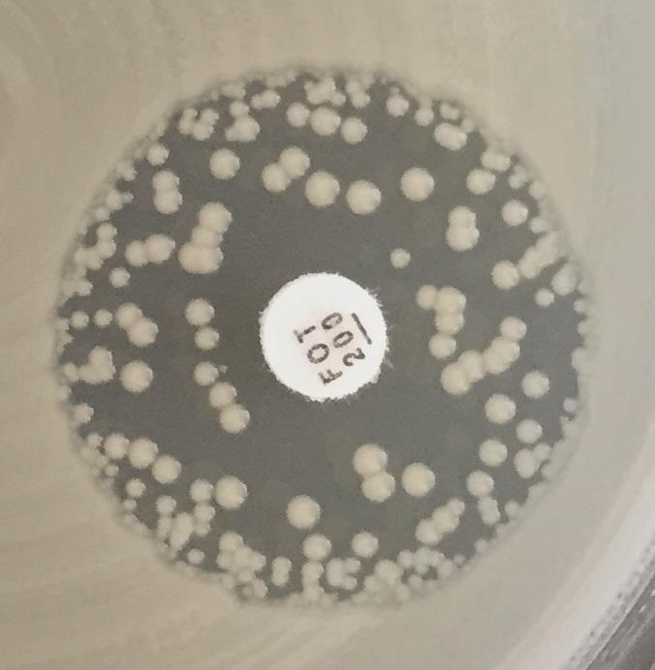
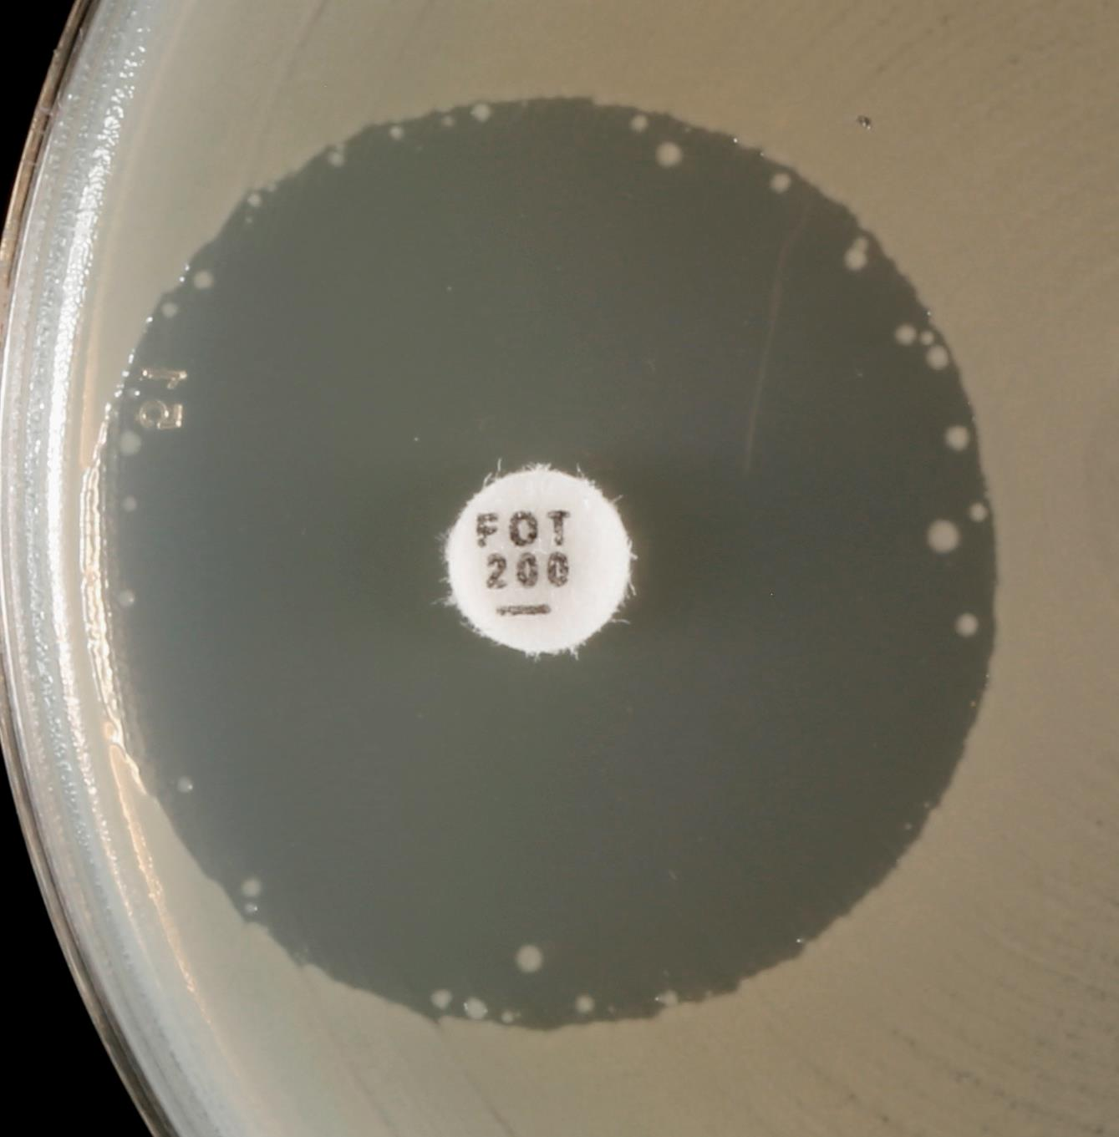
b)
a)
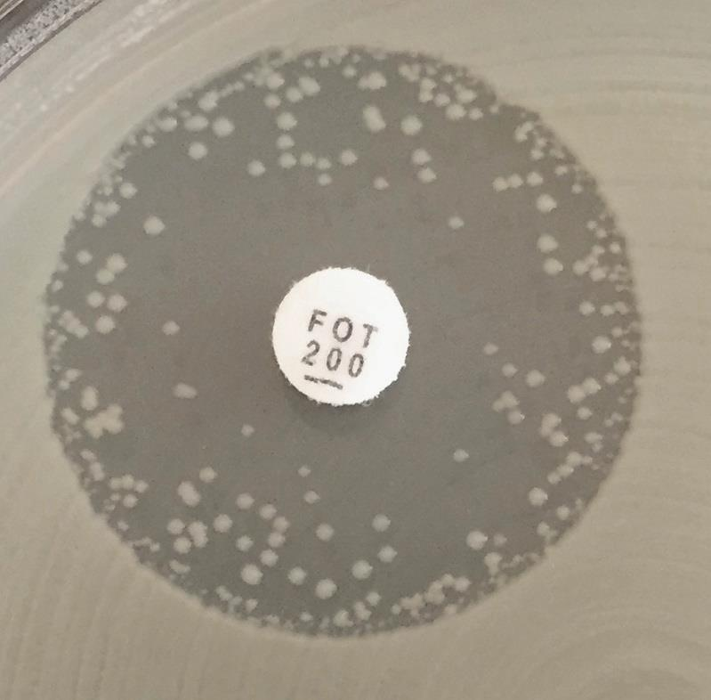
c)
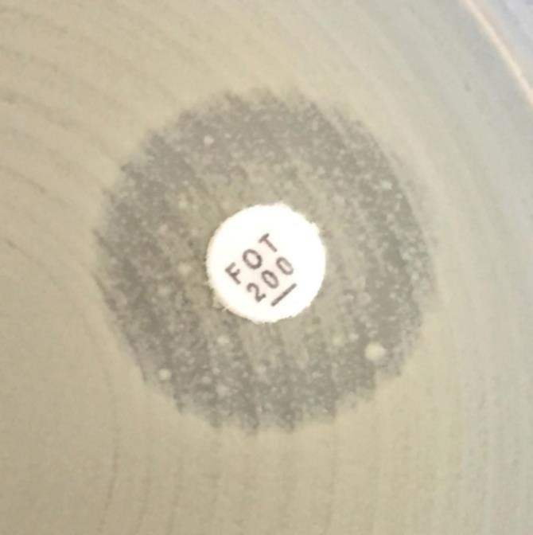
d)

No zone

Examples of inhibition zones for Escherichia coli with fosfomycin.
a-c) Ignore all colonies and read the outer zone edge.
d) Record as no inhibition zone.

S.maltophilia
Stenotrophomonas maltophilia |  |  |  |  |  | EUCAST Clinical Breakpoint Tables v. 8.1, valid from 2018-05-15

Trimethoprim-sulfamethoxazole is the only agent for which EUCAST breakpoints are currently available. For further information, see guidance document on www.eucast.org.

MIC determination (broth microdilution according to ISO standard 20776-1) Medium: Mueller-Hinton broth Inoculum: 5x105 CFU/mL Incubation: Sealed panels, air, 35±1ºC, 18±2h Reading: For trimethoprim-sulfamethoxazole, the MIC should be read at the lowest concentration that inhibits approximately 80% of growth as compared with the growth control well. Quality control: Escherichia coli ATCC 25922 |  |  |  |  |  | Disk diffusion (EUCAST standardised disk diffusion method) Medium: Mueller-Hinton agar Inoculum: McFarland 0.5 Incubation: Air, 35±1ºC, 18±2h Reading: Read zone edges from the back of the plate against a dark background illuminated with reflected light (see below for specific instructions). Quality control: Escherichia coli ATCC 25922

Miscellaneous agents | MIC breakpoint (mg/L) |  | Disk content (µg) | Zone diameter breakpoint (mm) |  | Notes Numbered notes relate to general comments and/or MIC breakpoints. Lettered notes relate to the disk diffusion method.
 | S ≤ | R > |  | S ≥ | R <
Trimethoprim-sulfamethoxazole1,2 | 4 | 4 | 1.25-23.75 | 16A | 16A | 1. Trimethoprim:sulfamethoxazole in the ratio 1:19. Breakpoints are expressed as the trimethoprim concentration. 2. Breakpoints are based on high dose therapy, see table of dosages. at least 0.24 g trimethoprim and 1.2 g sulfamethoxazole administered together twice daily. A. Isolates showing any sign of inhibition zone ≥ 16 mm should be reported susceptible and growth within the inhibition zone should be ignored. The density of growth within the zone may vary from a fine haze to substantial growth (see pictures below).

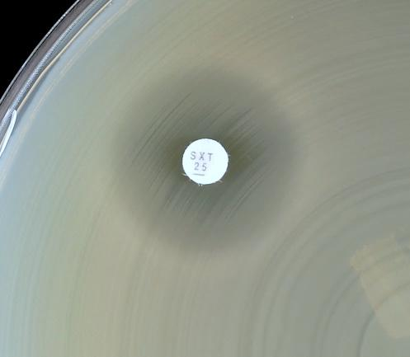
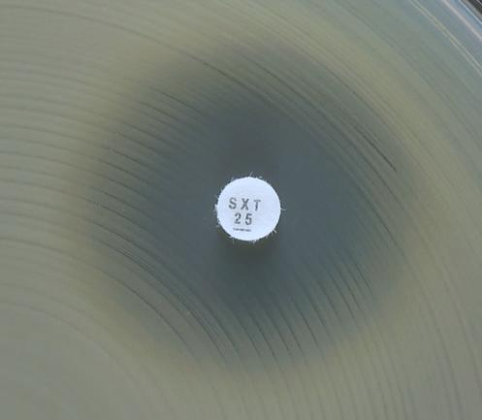
a)
b)
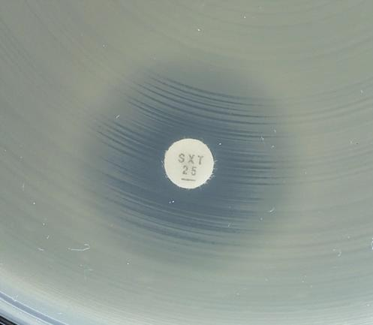
c)
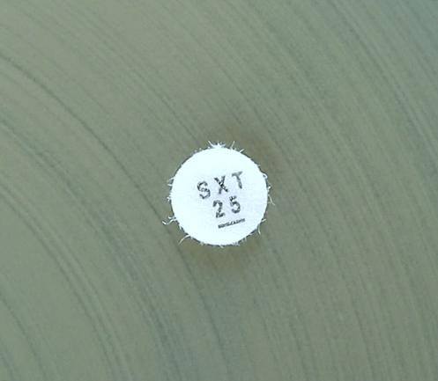
d)

Examples of inhibition zones for Stenotrophomonas maltophilia with trimethoprim-sulfamethoxazole.
a-c) An outer zone can be seen. Report susceptible if the zone diameter ≥ 16 mm.
d) Growth up to the disk and no sign of inhibition zone. Report resistant.

Staphylococcus
Staphylococcus spp. |  |  |  |  |  | EUCAST Clinical Breakpoint Tables v. 8.1, valid from 2018-05-15

MIC determination (broth microdilution according to ISO standard 20776-1 except for fosfomycin where agar dilution is used) Medium: Mueller-Hinton broth Inoculum: 5x105 CFU/mL Incubation: Sealed panels, air, 35±1ºC, 18±2h Reading: Unless otherwise stated, read MICs at the lowest concentration of the agent that completely inhibits visible growth. Quality control: Staphylococcus aureus ATCC 29213. For agents not covered by this strain, see EUCAST QC Tables. |  |  |  |  |  | Disk diffusion (EUCAST standardised disk diffusion method) Medium: Mueller-Hinton agar Inoculum: McFarland 0.5 Incubation: Air, 35±1ºC, 18±2h Reading: Unless otherwise stated, read zone edges as the point showing no growth viewed from the back of the plate against a dark background illuminated with reflected light (except for benzylpenicillin and linezolid, see below). Quality control: Staphylococcus aureus ATCC 29213. For agents not covered by this strain, see EUCAST QC Tables.

Penicillins1 | MIC breakpoint (mg/L) |  | Disk content (µg) | Zone diameter breakpoint (mm) |  | Notes Numbered notes relate to general comments and/or MIC breakpoints. Lettered notes relate to the disk diffusion method.
 | S ≤ | R > |  | S ≥ | R <
Benzylpenicillin, S. aureus | 0.1251 | 0.1251 | 1 unit | 26A,B | 26A,B | 1/A. Most staphylococci are penicillinase producers, which make them resistant to benzylpenicillin, phenoxymethylpenicillin, ampicillin, amoxicillin, piperacillin and ticarcillin. When staphylococci test as susceptible to benzylpenicillin and cefoxitin they can be reported as susceptible to the above agents. However, the efficacy of oral formulations, particularly phenoxymethylpenicillin, is uncertain. Isolates that test as resistant to benzylpenicillin but susceptible to cefoxitin are susceptible to β-lactamase inhibitor combinations, the isoxazolylpenicillins (oxacillin, cloxacillin, dicloxacillin and flucloxacillin), nafcillin and many cephalosporins. With the exception of ceftaroline and ceftobiprole, cefoxitin-resistant isolates are resistant to all beta-lactam agents. 2/C. No currently available method can reliably detect penicillinase production in coagulase-negative staphylococci. 3/D. Ampicillin susceptible S. saprophyticus are mecA-negative and susceptible to ampicillin, amoxicillin and piperacillin (without or with a beta-lactamase inhibitor). 4. S. aureus, S. lugdunensis and S. saprophyticus with oxacillin MIC values >2 mg/L are mostly methicillin resistant due to the presence of the mecA or mecC gene. Occasionally oxacillin MIC values are high in S. aureus in absence of mec-gene mediated resistance. These strains have been called BORSA (borderline oxacillin resistant S. aureus). EUCAST does not recommend systematic screening for BORSA. For coagulase-negative staphylococci other than S. saprophyticus and S. lugdunensis, the oxacillin MIC in methicillin resistant strains is >0.25 mg/L. B. For S. aureus, disk diffusion is more reliable than MIC determination for detection of penicillinase producers, provided the zone diameter is measured AND the zone edge closely inspected (see pictures below). Examine the zone edge with transmitted light (plate held up to light). If the zone diameter is <26 mm, then report resistant. If the zone diameter is ≥26 mm A
Benzylpenicillin, S. lugdunensis | 0.1251 | 0.1251 | 1 unit | 26A | 26A
Benzylpenicillin, Coagulase-negative staphylococci | -1,2 | -1,2 |  | NoteA,C | NoteA,C
Ampicillin, S. saprophyticus | Note1,3 | Note1,3 | 2 | 18A,D | 18A,D
Ampicillin-sulbactam | Note1,3 | Note1,3 |  | NoteA,D | NoteA,D
Amoxicillin | Note1,3 | Note1,3 |  | NoteA,D | NoteA,D
Amoxicillin-clavulanic acid | Note1,3 | Note1,3 |  | NoteA,D | NoteA,D
Piperacillin | Note1,3 | Note1,3 |  | NoteA,D | NoteA,D
Piperacillin-tazobactam | Note1,3 | Note1,3 |  | NoteA,D | NoteA,D
Ticarcillin | Note1 | Note1 |  | NoteA | NoteA
Ticarcillin-clavulanic acid | Note1 | Note1 |  | NoteA | NoteA
Temocillin | - | - |  | - | -

Phenoxymethylpenicillin, S. aureus | Note1 | Note1 |  | NoteA | NoteA
Phenoxymethylpenicillin, Coagulase-negative staphylococci | -1,2 | -1,2 |  | NoteA, | NoteA,

Oxacillin4 | Note1,4 | Note1,4 |  | NoteA,C | NoteA, C
Cloxacillin | Note1 | Note1 |  | NoteA | NoteA
Dicloxacillin | Note1 | Note1 |  | NoteA | NoteA
Flucloxacillin | Note1 | Note1 |  | NoteA | NoteA

Mecillinam (uncomplicated UTI only) | - | - |  | - | -

Cephalosporins1 | MIC breakpoint (mg/L) |  | Disk content (µg) | Zone diameter breakpoint (mm) |  | Notes Numbered notes relate to general comments and/or MIC breakpoints. Lettered notes relate to the disk diffusion method.
 | S ≤ | R > |  | S ≥ | R <
Cefaclor2 | Note1 | Note1 |  | NoteA | NoteA | 1/A. Susceptibility of staphylococci to cephalosporins is inferred from the cefoxitin susceptibility except for cefixime, ceftazidime, ceftazidime-avibactam, ceftibuten and ceftolozane-tazobactam, which do not have breakpoints and should not be used for staphylococcal infections. Some methicillin-resistant S. aureus are susceptible to ceftaroline and ceftobiprole, see Notes 5/D and 7/F. 2. For dosing, see table of dosages. 3. S. aureus and S. lugdunensis with cefoxitin MIC values >4 mg/L and S. saprophyticus with cefoxitin MIC values >8 mg/L are methicillin resistant, mostly due to the presence of the mecA or mecC gene. Disk diffusion reliably predicts methicillin resistance. 4. For staphylococci other than S. aureus, S. lugdunensis and S. saprophyticus, the cefoxitin MIC is a poorer predictor of methicillin resistance than the disk diffusion test. 5/D. Methicillin-susceptible isolates can be reported susceptible to ceftaroline without further testing. 6/E. Resistant isolates are rare. 7/F. Methicillin-susceptible isolates can be reported susceptible to ceftobiprole without further testing. B. If coagulase-negative staphylococci are not identified to species level, use zone diameter breakpoints S≥25, R<25 mm. C. Cefoxitin screen for methicillin resistance in S. pseudintermedius is less predictive of the presence of mecA than in other staphylococci. Use the oxacillin 1 µg disk with zone diameter breakpoints S≥20, R<20 mm to screen for methicillin resistance.
Cefadroxil | Note1 | Note1 |  | NoteA | NoteA
Cefalexin | Note1 | Note1 |  | NoteA | NoteA
Cefazolin | Note1 | Note1 |  | NoteA | NoteA
Cefepime | Note1 | Note1 |  | NoteA | NoteA
Cefixime | - | - |  | - | -
Cefotaxime | Note1 | Note1 |  | NoteA | NoteA
Cefoxitin (screen), S. aureus and coagulase-negative staphylococci other than S. epidermidis | Note3,4 | Note3,4 | 30 | 22A,B | 22A,B
Cefoxitin (screen), S. epidermidis | Note4 | Note4 | 30 | 25A,B | 25A,B
Cefoxitin (screen), S. pseudintermedius | NA | NA |  | NoteC | NoteC
Cefpodoxime | Note1 | Note1 |  | NoteA | NoteA
Ceftaroline, S. aureus (indications other than pneumonia) | 15 | 25,6 | 5 | 20D | 17D,E
Ceftaroline, S. aureus (pneumonia) | 15 | 15 | 5 | 20D | 20D
Ceftazidime | - | - |  | - | -
Ceftazidime-avibactam | - | - |  | - | -
Ceftibuten | - | - |  | - | -
Ceftobiprole, S. aureus | 27 | 27 | 5 | 17F | 17F
Ceftolozane-tazobactam | - | - |  | - | -
Ceftriaxone | Note1 | Note1 |  | NoteA | NoteA
Cefuroxime iv | Note1 | Note1 |  | NoteA | NoteA
Cefuroxime oral | Note1 | Note1 |  | NoteA | NoteA

Carbapenems1 | MIC breakpoint (mg/L) |  | Disk content (µg) | Zone diameter breakpoint (mm) |  | Notes Numbered notes relate to general comments and/or MIC breakpoints. Lettered notes relate to the disk diffusion method.
 | S ≤ | R > |  | S ≥ | R <
Doripenem | Note1 | Note1 |  | NoteA | NoteA | 1/A. Susceptibility of staphylococci to carbapenems is inferred from the cefoxitin susceptibility.
Ertapenem | Note1 | Note1 |  | NoteA | NoteA
Imipenem | Note1 | Note1 |  | NoteA | NoteA
Meropenem | Note1 | Note1 |  | NoteA | NoteA

Monobactams | MIC breakpoint (mg/L) |  | Disk content (µg) | Zone diameter breakpoint (mm) |  | Notes Numbered notes relate to general comments and/or MIC breakpoints. Lettered notes relate to the disk diffusion method.
 | S ≤ | R > |  | S ≥ | R <
Aztreonam | - | - |  | - | -

Fluoroquinolones1 | MIC breakpoint (mg/L) |  | Disk content (µg) | Zone diameter breakpoint (mm) |  | Notes Numbered notes relate to general comments and/or MIC breakpoints. Lettered notes relate to the disk diffusion method.
 | S ≤ | R > |  | S ≥ | R <
Ciprofloxacin2, S. aureus | 1 | 1 | 5 | 21A | 21A | 1. For breakpoints for other fluoroquinolones (e.g. pefloxacin and enoxacin), refer to breakpoints set by national breakpoint committees. 2. Breakpoints are based on high dose therapy, see table of dosages (oral dose of 0.75 g x 2, iv dose of 0.4 g x 3). 3. Breakpoints are based on high dose therapy, see table of dosages (0.4 g x 2). A. The norfloxacin disk diffusion test can be used to screen for fluoroquinolone resistance. See Note B. B. Isolates categorised as susceptible to norfloxacin can be reported susceptible to ciprofloxacin, levofloxacin, moxifloxacin and ofloxacin. Isolates categorised as non-susceptible should be tested for susceptibility to individual agents.
Ciprofloxacin2, Coagulase-negative staphylococci | 1 | 1 | 5 | 24A | 24A
Levofloxacin, S. aureus | 1 | 1 | 5 | 22A | 22A
Levofloxacin, Coagulase-negative staphylococci | 1 | 1 | 5 | 24A | 24A
Moxifloxacin, S. aureus | 0.25 | 0.25 | 5 | 25A | 25A
Moxifloxacin, Coagulase-negative staphylococci | 0.25 | 0.25 | 5 | 28A | 28A
Nalidixic acid (screen) | NA | NA |  | NA | NA
Norfloxacin (screen) | NA | NA | 10 | 17B | NoteB
Ofloxacin3, S. aureus | 1 | 1 | 5 | 20A | 20A
Ofloxacin3, Coagulase-negative staphylococci | 1 | 1 | 5 | 24A | 24A

Aminoglycosides1 | MIC breakpoint (mg/L) |  | Disk content (µg) | Zone diameter breakpoint (mm) |  | Notes Numbered notes relate to general comments and/or MIC breakpoints. Lettered notes relate to the disk diffusion method.
 | S ≤ | R > |  | S ≥ | R <
Amikacin2, S. aureus | 8 | 16 | 30 | 18 | 16 | 1. Aminoglycoside breakpoints are based on once-daily administration. 2. Resistance to amikacin is most reliably determined by testing with kanamycin (MIC >8 mg/L). The corresponding zone diameter for the kanamycin 30 µg disk is R<18 mm for S. aureus and R<22 mm for coagulase-negative staphylococci.
Amikacin2, Coagulase-negative staphylococci | 8 | 16 | 30 | 22 | 19
Gentamicin, S. aureus | 1 | 1 | 10 | 18 | 18
Gentamicin, Coagulase-negative staphylococci | 1 | 1 | 10 | 22 | 22
Netilmicin, S. aureus | 1 | 1 | 10 | 18 | 18
Netilmicin, Coagulase-negative staphylococci | 1 | 1 | 10 | 22 | 22
Tobramycin, S. aureus | 1 | 1 | 10 | 18 | 18
Tobramycin, Coagulase-negative staphylococci | 1 | 1 | 10 | 22 | 22

Glycopeptides and lipoglycopeptides1 | MIC breakpoint (mg/L) |  | Disk content (µg) | Zone diameter breakpoint (mm) |  | Notes Numbered notes relate to general comments and/or MIC breakpoints. Lettered notes relate to the disk diffusion method.
 | S ≤ | R > |  | S ≥ | R <
Dalbavancin2 | 0.1253.4 | 0.1253 |  | NoteA | NoteA | 1. Glycopeptide MICs are method dependent and should be determined by broth microdilution (ISO standard 20776-1). S. aureus with vancomycin MIC values of 2 mg/L are on the border of the wild type distribution and there may be an impaired clinical response. The resistant breakpoint has been reduced to 2 mg/L to avoid reporting "GISA" isolates intermediate as serious infections with "GISA" isolates are not treatable with increased doses of vancomycin or teicoplanin. 2. Non-susceptible isolates are rare or not yet reported. The identification and antimicrobial susceptibility test result on any such isolate must be confirmed and the isolate sent to a reference laboratory. 3. MICs must be determined in the presence of polysorbate-80 (0.002% in the medium for broth dilution methods; agar dilution methods have not been validated). Follow the manufacturer's instructions for commercial systems. 4. S. aureus isolates susceptible to vancomycin can be reported susceptible to dalbavancin and oritavancin. 5. MRSA isolates susceptible to vancomycin can be reported susceptible to telavancin. A. Disk diffusion is unreliable and cannot distinguish between wild type isolates and those with non-vanA-mediated glycopeptide resistance.
Oritavancin, S. aureus2 | 0.1253.4 | 0.1253 |  | NoteA | NoteA
Teicoplanin, S. aureus2 | 2 | 2 |  | NoteA | NoteA
Teicoplanin, Coagulase-negative staphylococci | 4 | 4 |  | NoteA | NoteA
Telavancin, MRSA2 | 0.1253.5 | 0.1253 |  | NoteA | NoteA
Vancomycin, S. aureus2 | 2 | 2 |  | NoteA | NoteA
Vancomycin, Coagulase-negative staphylococci2 | 4 | 4 |  | NoteA | NoteA

Macrolides, lincosamides and streptogramins | MIC breakpoint (mg/L) |  | Disk content (µg) | Zone diameter breakpoint (mm) |  | Notes Numbered notes relate to general comments and/or MIC breakpoints. Lettered notes relate to the disk diffusion method.
 | S ≤ | R > |  | S ≥ | R <
Azithromycin | 11 | 21 |  | NoteA | NoteA | 1/A. Erythromycin can be used to determine susceptibility to azithromycin, clarithromycin and roxithromycin. 2. Inducible clindamycin resistance can be detected by antagonism of clindamycin activity by a macrolide agent. If not detected, then report as tested according to the clinical breakpoints. If detected, then report as resistant and consider adding this comment to the report: "Clindamycin may still be used for short-term therapy of less serious skin and soft tissue infections as constitutive resistance is unlikely to develop during such therapy". B. Place the erythromycin and clindamycin disks 12-20 mm apart (edge to edge) and look for antagonism (the D phenomenon) to detect inducible clindamycin resistance. C. Isolates non-susceptible by disk diffusion should be confirmed by MIC testing.
Clarithromycin | 11 | 21 |  | NoteA | NoteA
Erythromycin | 11 | 21 | 15 | 21A | 18A
Roxithromycin | 11 | 21 |  | NoteA | NoteA
Telithromycin | IE | IE |  | IE | IE

Clindamycin2 | 0.25 | 0.5 | 2 | 22B | 19B
Quinupristin-dalfopristin | 1 | 2 | 15 | 21 | 18C

Tetracyclines | MIC breakpoint (mg/L) |  | Disk content (µg) | Zone diameter breakpoint (mm) |  | Notes Numbered notes relate to general comments and/or MIC breakpoints. Lettered notes relate to the disk diffusion method.
 | S ≤ | R > |  | S ≥ | R <
Doxycycline | 11 | 21 |  | NoteA | NoteA | 1/A. Isolates susceptible to tetracycline are also susceptible to doxycycline and minocycline, but some resistant to tetracycline may be susceptible to minocycline and/or doxycycline. An MIC method should be used to test doxycycline susceptibility of tetracycline resistant isolates if required. 2. Non-susceptible isolates are rare or not yet reported. The identification and antimicrobial susceptibility test result on any such isolate must be confirmed and the isolate sent to a reference laboratory. 3. For tigecycline broth microdilution MIC determination, the medium must be prepared fresh on the day of use.
Minocycline | 0.51 | 11 | 30 | 23A | 20A
Tetracycline | 11 | 21 | 30 | 22A | 19A
Tigecycline2 | 0.53 | 0.53 | 15 | 18 | 18

Oxazolidinones | MIC breakpoint (mg/L) |  | Disk content (µg) | Zone diameter breakpoint (mm) |  | Notes Numbered notes relate to general comments and/or MIC breakpoints. Lettered notes relate to the disk diffusion method.
 | S ≤ | R > |  | S ≥ | R <
Linezolid | 4 | 4 | 10 | 21A | 21A | 1. Isolates susceptible to linezolid can be reported susceptible to tedizolid. A. Examine zone edges with transmitted light (plate held up to light). B. Isolates susceptible to linezolid can be reported susceptible to tedizolid. For isolates resistant to linezolid, perform an MIC test.
Tedizolid | 0.51 | 0.5 |  | NoteB | NoteB

Miscellaneous agents | MIC breakpoint (mg/L) |  | Disk content (µg) | Zone diameter breakpoint (mm) |  | Notes Numbered notes relate to general comments and/or MIC breakpoints. Lettered notes relate to the disk diffusion method.
 | S ≤ | R > |  | S ≥ | R <
Chloramphenicol | 8 | 8 | 30 | 18 | 18 | 1. Non-susceptible isolates are rare or not yet reported. The identification and antimicrobial susceptibility test result on any such isolate must be confirmed and the isolate sent to a reference laboratory. 2. Daptomycin MICs must be determined in the presence of Ca2+ (50 mg/L in the medium for broth dilution methods; agar dilution methods have not been validated). Follow the manufacturers' instructions for commercial systems. 3. Agar dilution is the reference method for fosfomycin. MICs must be determined in the presence of glucose-6-phosphate (25 mg/L in the medium). Follow the manufacturers' instructions for commercial systems. 4. Trimethoprim:sulfamethoxazole in the ratio 1:19. Breakpoints are expressed as the trimethoprim concentration. A. Use an MIC method.
Colistin | - | - |  | - | -
Daptomycin1 | 12 | 12 |  | NoteA | NoteA
Fosfomycin iv | 323 | 323 |  | NoteA | NoteA
Fosfomycin oral | - | - |  | - | -
Fusidic acid | 1 | 1 | 10 | 24 | 24
Metronidazole | - | - |  | - | -
Nitrofurantoin (uncomplicated UTI only), S. saprophyticus | 64 | 64 | 100 | 13 | 13
Nitroxoline (uncomplicated UTI only), S. saprophyticus | IE | IE |  | IE | IE
Rifampicin | 0.06 | 0.5 | 5 | 26 | 23
Spectinomycin | - | - |  | - | -
Trimethoprim (uncomplicated UTI only) | 2 | 4 | 5 | 17 | 14
Trimethoprim-sulfamethoxazole4 | 2 | 4 | 1.25-23.75 | 17 | 14

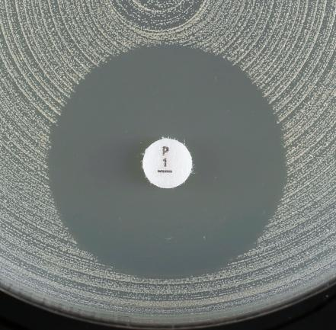
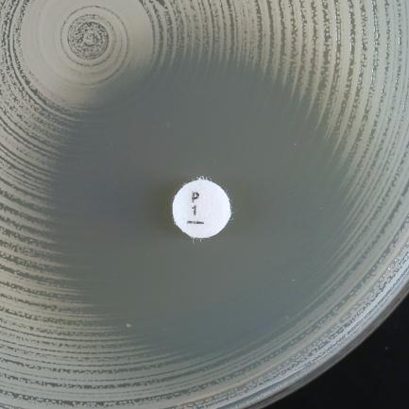
a)
b)

Examples of inhibition zones for Staphylococcus aureus with benzylpenicillin.
a) Fuzzy zone edge and zone diameter ≥ 26 mm. Report susceptible.
b) Sharp zone edge and zone diameter ≥ 26 mm. Report resistant.

Enterococcus
Enterococcus spp. |  |  |  |  |  | EUCAST Clinical Breakpoint Tables v. 8.1, valid from 2018-05-15

In endocarditis, refer to national or international endocarditis guidelines for breakpoints for Enterococcus spp.

MIC determination (broth microdilution according to ISO standard 20776-1) Medium: Mueller-Hinton broth Inoculum: 5x105 CFU/mL Incubation: Sealed panels, air, 35±1ºC, 18±2h Reading: Unless otherwise stated, read MICs at the lowest concentration of the agent that completely inhibits visible growth. Quality control: Enterococcus faecalis ATCC 29212. For agents not covered by this strain and for control of the inhibitor component of beta-lactam inhibitor combinations, see EUCAST QC Tables. |  |  |  |  |  | Disk diffusion (EUCAST standardised disk diffusion method) Medium: Mueller-Hinton agar Inoculum: McFarland 0.5 Incubation: Air, 35±1ºC, 18±2h (for glycopeptides 24h) Reading: Unless otherwise stated, read zone edges as the point showing no growth viewed from the back of the plate against a dark background illuminated with reflected light (except for vancomycin, see below). Quality control: Enterococcus faecalis ATCC 29212. For agents not covered by this strain and for control of the inhibitor component of beta-lactam inhibitor-combination disks, see EUCAST QC Tables.

Penicillins1 | MIC breakpoint (mg/L) |  | Disk content (µg) | Zone diameter breakpoint (mm) |  | Notes Numbered notes relate to general comments and/or MIC breakpoints. Lettered notes relate to the disk diffusion method.
 | S ≤ | R > |  | S ≥ | R <
Benzylpenicillin | - | - |  | - | - | 1. E. faecium resistant to penicillins can be considered resistant to all other beta-lactam agents including carbapenems. 2. Ampicillin resistance in E. faecalis is rare and should be confirmed with an MIC test. 3/A. Susceptibility to ampicillin, amoxicillin and piperacillin with and without beta-lactamase inhibitor can be inferred from ampicillin. 4. For susceptibility testing purposes, the concentration of sulbactam is fixed at 4 mg/L. 5. For susceptibility testing purposes, the concentration of clavulanic acid is fixed at 2 mg/L.
Ampicillin | 4 | 82 | 2 | 10 | 82
Ampicillin-sulbactam3 | 44 | 84 |  | NoteA | NoteA
Amoxicillin3 | 4 | 8 |  | NoteA | NoteA
Amoxicillin-clavulanic acid3 | 45 | 85 |  | NoteA | NoteA
Piperacillin3 | Note3 | Note3 |  | NoteA | NoteA
Piperacillin-tazobactam3 | Note3 | Note3 |  | NoteA | NoteA
Ticarcillin | - | - |  | - | -
Ticarcillin-clavulanic acid | - | - |  | - | -
Temocillin | - | - |  | - | -

Phenoxymethylpenicillin | - | - |  | - | -

Oxacillin | - | - |  | - | -
Cloxacillin | - | - |  | - | -
Dicloxacillin | - | - |  | - | -
Flucloxacillin | - | - |  | - | -

Mecillinam (uncomplicated UTI only) | - | - |  | - | -

Cephalosporins | MIC breakpoint (mg/L) |  | Disk content (µg) | Zone diameter breakpoint (mm) |  | Notes Numbered notes relate to general comments and/or MIC breakpoints. Lettered notes relate to the disk diffusion method.
 | S ≤ | R > |  | S ≥ | R <
Cefaclor | - | - |  | - | -
Cefadroxil | - | - |  | - | -
Cefalexin | - | - |  | - | -
Cefazolin | - | - |  | - | -
Cefepime | - | - |  | - | -
Cefixime | - | - |  | - | -
Cefotaxime | - | - |  | - | -
Cefoxitin | - | - |  | - | -
Cefpodoxime | - | - |  | - | -
Ceftaroline | - | - |  | - | -
Ceftazidime | - | - |  | - | -
Ceftazidime-avibactam | - | - |  | - | -
Ceftibuten | - | - |  | - | -
Ceftobiprole | - | - |  | - | -
Ceftolozane-tazobactam | - | - |  | - | -
Ceftriaxone | - | - |  | - | -
Cefuroxime iv | - | - |  | - | -
Cefuroxime oral | - | - |  | - | -

Carbapenems | MIC breakpoint (mg/L) |  | Disk content (µg) | Zone diameter breakpoint (mm) |  | Notes Numbered notes relate to general comments and/or MIC breakpoints. Lettered notes relate to the disk diffusion method.
 | S ≤ | R > |  | S ≥ | R <
Doripenem | - | - |  | - | -
Ertapenem | - | - |  | - | -
Imipenem | 4 | 8 | 10 | 21 | 18
Meropenem | - | - |  | - | -

Monobactams | MIC breakpoint (mg/L) |  | Disk content (µg) | Zone diameter breakpoint (mm) |  | Notes Numbered notes relate to general comments and/or MIC breakpoints. Lettered notes relate to the disk diffusion method.
 | S ≤ | R > |  | S ≥ | R <
Aztreonam | - | - |  | - | -

Fluoroquinolones | MIC breakpoint (mg/L) |  | Disk content (µg) | Zone diameter breakpoint (mm) |  | Notes Numbered notes relate to general comments and/or MIC breakpoints. Lettered notes relate to the disk diffusion method.
 | S ≤ | R > |  | S ≥ | R <
Ciprofloxacin (uncomplicated UTI only) | 4 | 4 | 5 | 15A | 15A | A. The norfloxacin disk diffusion test can be used to screen for fluoroquinolone resistance. See Note B. B. Susceptibility of ciprofloxacin and levofloxacin can be inferred from the norfloxacin susceptibility.
Levofloxacin (uncomplicated UTI only) | 4 | 4 | 5 | 15A | 15A
Moxifloxacin | - | - |  | - | -
Nalidixic acid (screen) | NA | NA |  | NA | NA
Norfloxacin (screen) | NA | NA | 10 | 12B | 12B
Ofloxacin | - | - |  | - | -

Aminoglycosides1 | MIC breakpoint (mg/L) |  | Disk content (µg) | Zone diameter breakpoint (mm) |  | Notes Numbered notes relate to general comments and/or MIC breakpoints. Lettered notes relate to the disk diffusion method.
 | S ≤ | R > |  | S ≥ | R <
Amikacin | Note2 | Note2 |  | NoteA | NoteA | 1. Enterococci are intrinsically resistant to aminoglycosides and aminoglycoside monotherapy is ineffective. There is likely to be synergy between aminoglycosides and penicillins or glycopeptides against enterococci without acquired high-level aminoglycoside resistance. All testing is therefore to distinguish between intrinsic and high-level acquired resistance. 2/A. Gentamicin can be used to screen for high-level aminoglycoside resistance (HLAR). Negative test: Isolates with gentamicin MIC ≤128 mg/L or a zone diameter ≥8 mm. The isolate is wild type for gentamicin and low-level intrinsic resistant. For other aminoglycosides, this may not be the case. Synergy with penicillins or glycopeptides can be expected if the isolate is susceptible to the penicillin or glycopeptide. Positive test: Isolates with gentamicin MIC >128 mg/L or a zone diameter <8 mm. The isolate is high-level resistant to gentamicin and other aminoglycosides, except streptomycin which must be tested separately if required (see note 3/B). There will be no synergy with penicillins or glycopeptides. 3/B. Isolates with high-level gentamicin resistance may not be high-level resistant to streptomycin. Negative test: Isolates with streptomycin MIC ≤512 mg/L or a zone diameter ≥14 mm. The isolate is wild type for streptomycin and low-level intrinsic resistant. Synergy with penicillins or glycopeptides can be expected if the isolate is susceptible to the penicillin or glycopeptide. Positive test: Isolates with streptomycin MIC >512 mg/L or a zone diameter <14 mm. The isolate is high-level resistant to streptomycin. There will be no synergy with penicillins or glycopeptides.
Gentamicin (test for high-level aminoglycoside resistance) | Note2 | Note2 | 30 | NoteA | NoteA
Netilmicin | Note2 | Note2 |  | NoteA | NoteA
Streptomycin (test for high-level streptomycin resistance) | Note3 | Note3 | 300 | NoteB | NoteB
Tobramycin | Note2 | Note2 |  | NoteA | NoteA

Glycopeptides and lipoglycopeptides | MIC breakpoint (mg/L) |  | Disk content (µg) | Zone diameter breakpoint (mm) |  | Notes Numbered notes relate to general comments and/or MIC breakpoints. Lettered notes relate to the disk diffusion method.
 | S ≤ | R > |  | S ≥ | R <
Dalbavancin | IE | IE |  | IE | IE | A. Vancomycin susceptible enterococci exhibit sharp zone edges and do not exhibit colonies in the inhibition zone. Examine zone edges with transmitted light (plate held up to light). If the zone edge is fuzzy, colonies grow within the zone or if you are uncertain, then perform confirmatory testing with PCR or report resistant (see pictures below) even if the zone diameter is ≥ 12 mm. Isolates must not be reported susceptible before 24 h incubation.
Oritavancin | IE | IE |  | IE | IE
Teicoplanin | 2 | 2 | 30 | 16 | 16
Telavancin | IE | IE |  | IE | IE
Vancomycin | 4 | 4 | 5 | 12A | 12A

Macrolides, lincosamides and streptogramins | MIC breakpoint (mg/L) |  | Disk content (µg) | Zone diameter breakpoint (mm) |  | Notes Numbered notes relate to general comments and/or MIC breakpoints. Lettered notes relate to the disk diffusion method.
 | S ≤ | R > |  | S ≥ | R <
Azithromycin | - | - |  | - | -
Clarithromycin | - | - |  | - | -
Erythromycin | - | - |  | - | -
Roxithromycin | - | - |  | - | -
Telithromycin | - | - |  | - | -
 |  |  |  | - | -
Clindamycin | - | - |  | - | -
Quinupristin-dalfopristin, E. faecium | 1 | 4 | 15 | 22 | 20

Tetracyclines | MIC breakpoint (mg/L) |  | Disk content (µg) | Zone diameter breakpoint (mm) |  | Notes Numbered notes relate to general comments and/or MIC breakpoints. Lettered notes relate to the disk diffusion method.
 | S ≤ | R > |  | S ≥ | R <
Doxycycline | - | - |  | - | - | 1. Non-susceptible isolates are rare or not yet reported. The identification and antimicrobial susceptibility test result on any such isolate must be confirmed and the isolate sent to a reference laboratory. 2 For tigecycline broth microdilution MIC determination, the medium must be prepared fresh on the day of use.
Minocycline | - | - |  | - | -
Tetracycline | - | - |  | - | -
Tigecycline1 | 0.252 | 0.52 | 15 | 18 | 15

Oxazolidinones | MIC breakpoint (mg/L) |  | Disk content (µg) | Zone diameter breakpoint (mm) |  | Notes Numbered notes relate to general comments and/or MIC breakpoints. Lettered notes relate to the disk diffusion method.
 | S ≤ | R > |  | S ≥ | R <
Linezolid | 4 | 4 | 10 | 19 | 19
Tedizolid | IE | IE |  | IE | IE

Miscellaneous agents | MIC breakpoint (mg/L) |  | Disk content (µg) | Zone diameter breakpoint (mm) |  | Notes Numbered notes relate to general comments and/or MIC breakpoints. Lettered notes relate to the disk diffusion method.
 | S ≤ | R > |  | S ≥ | R <
Chloramphenicol | - | - |  | - | - | 1. For more information, see http://www.eucast.org/guidance_documents/. 2/A. The activity of trimethoprim and trimethoprim-sulfamethoxazole is uncertain against enterococci, hence the wild type population is categorised as intermediate. 3. Trimethoprim-sulfamethoxazole in the ratio 1:19. Breakpoints are expressed as the trimethoprim concentration.
Colistin | - | - |  | - | -
Daptomycin1 | IE | IE |  | IE | IE
Fosfomycin iv | - | - |  | - | -
Fosfomycin oral | - | - |  | - | -
Fusidic acid | - | - |  | - | -
Metronidazole | - | - |  | - | -
Nitrofurantoin (uncomplicated UTI only), E. faecalis | 64 | 64 | 100 | 15 | 15
Nitroxoline (uncomplicated UTI only) | IE | IE |  | IE | IE
Rifampicin | - | - |  | - | -
Spectinomycin | - | - |  | - | -
Trimethoprim (uncomplicated UTI only) | 0.032 | 1 | 5 | 50A | 21
Trimethoprim-sulfamethoxazole3 | 0.032 | 1 | 1.25-23.75 | 50A | 21


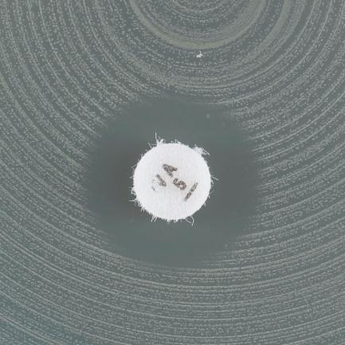
a)
b)
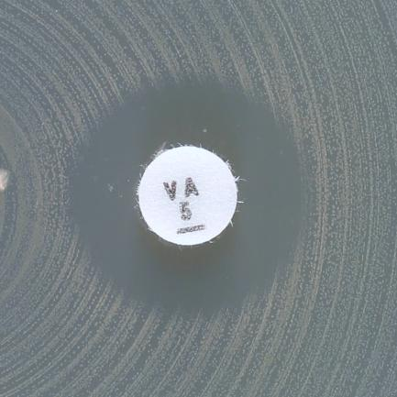
c)

d)

Examples of inhibition zones for Enterococcus spp. with vancomycin.
a) Sharp zone edge and zone diameter ≥ 12 mm. Report susceptible.
b-d) Fuzzy zone edge or colonies within zone. Perform confirmatory testing with PCR or report resistant even if the zone diameter ≥ 12 mm.

S.pneumoniae
Streptococcus pneumoniae |  |  |  |  |  | EUCAST Clinical Breakpoint Tables v. 8.1, valid from 2018-05-15

MIC determination (broth microdilution according to ISO standard 20776-1) Medium: Mueller-Hinton broth + 5% lysed horse blood and 20 mg/L β-NAD (MH-F broth) Inoculum: 5x105 CFU/mL Incubation: Sealed panels, air, 35±1ºC, 18±2h Reading: Unless otherwise stated, read MICs at the lowest concentration of the agent that completely inhibits visible growth. Quality control: Streptococcus pneumoniae ATCC 49619. For agents not covered by this strain, see EUCAST QC Tables. |  |  |  |  |  | Disk diffusion (EUCAST standardised disk diffusion method) Medium: Mueller-Hinton agar + 5% defibrinated horse blood and 20 mg/L β-NAD (MH-F) Inoculum: McFarland 0.5 from blood agar or McFarland 1.0 from chocolate agar Incubation: 5% CO2, 35±1ºC, 18±2h Reading: Unless otherwise stated, read zone edges as the point showing no growth viewed from the front of the plate with the lid removed and with reflected light. Quality control: Streptococcus pneumoniae ATCC 49619. For agents not covered by this strain, see EUCAST QC Tables.

Penicillins1 | MIC breakpoint (mg/L) |  | Disk content (µg) | Zone diameter breakpoint (mm) |  | Notes Numbered notes relate to general comments and/or MIC breakpoints. Lettered notes relate to the disk diffusion method.
 | S ≤ | R > |  | S ≥ | R <
Benzylpenicillin (indications other than meningitis)2 | 0.061 | 21 |  | NoteA | NoteA | 1. Breakpoints for penicillins other than benzylpenicillin relate only to non-meningitis isolates. Isolates fully susceptible to benzylpenicillin (MIC ≤0.06 mg/L and/or susceptible by oxacillin disk screen, see note C) can be reported susceptible to beta-lactam agents for which clinical breakpoints are listed (including those with "Note"). 2. For breakpoints and dosing in pneumonia, see table of dosages. 3. For isolates categorised as intermediate to ampicillin avoid oral treatment with ampicillin, amoxicillin or amoxicillin-clavulanic acid. 4/B. Susceptibility inferred from the MIC of ampicillin. A. Screen for beta-lactam resistance with the oxacillin 1 μg disk, see Note C. C. For interpretation of the oxacillin disk screen, see flow chart below. For oxacillin non-susceptible isolates, always determine the MIC of benzylpenicillin.
Benzylpenicillin (meningitis) | 0.061 | 0.061 |  | NoteA | NoteA
Ampicillin | 0.51,3 | 21,3 |  | NoteA,B | NoteA,B
Ampicillin-sulbactam | Note1,4 | Note1,4 |  | NoteA,B | NoteA,B
Amoxicillin | Note1,3,4 | Note1,3,4 |  | NoteA,B | NoteA,B
Amoxicillin-clavulanic acid | Note1,3,4 | Note1,3,4 |  | NoteA,B | NoteA,B
Piperacillin | Note1,4 | Note1,4 |  | NoteA,B | NoteA,B
Piperacillin-tazobactam | Note1,4 | Note1,4 |  | NoteA,B | NoteA,B
Ticarcillin | - | - |  | - | -
Ticarcillin-clavulanic acid | - | - |  | - | -
Temocillin | - | - |  | - | -

Phenoxymethylpenicillin | Note1 | Note1 |  | NoteA | NoteA

Oxacillin (screen) | NA | NA | 1 | 20C | NoteC
Cloxacillin | - | - |  | - | -
Dicloxacillin | - | - |  | - | -
Flucloxacillin | - | - |  | - | -

Mecillinam (uncomplicated UTI only) | - | - |  | - | -

Cephalosporins | MIC breakpoint (mg/L) |  | Disk content (µg) | Zone diameter breakpoint (mm) |  | Notes Numbered notes relate to general comments and/or MIC breakpoints. Lettered notes relate to the disk diffusion method.
 | S ≤ | R > |  | S ≥ | R <
Cefaclor | 0.03 | 0.5 | 30 | 50 | 28 | A. Screen for beta-lactam resistance with the oxacillin 1 μg disk. See Note C on penicillins and flow chart below.
Cefadroxil | - | - |  | - | -
Cefalexin | - | - |  | - | -
Cefazolin | - | - |  | - | -
Cefepime | 1 | 2 |  | NoteA | NoteA
Cefixime | - | - |  | - | -
Cefotaxime | 0.5 | 2 |  | NoteA | NoteA
Cefoxitin | NA | NA |  | NA | NA
Cefpodoxime | 0.25 | 0.5 |  | NoteA | NoteA
Ceftaroline | 0.25 | 0.25 |  | NoteA | NoteA
Ceftazidime | - | - |  | - | -
Ceftazidime-avibactam | - | - |  | - | -
Ceftibuten | - | - |  | - | -
Ceftobiprole | 0.5 | 0.5 |  | NoteA | NoteA
Ceftolozane-tazobactam | - | - |  | - | -
Ceftriaxone | 0.5 | 2 |  | NoteA | NoteA
Cefuroxime iv | 0.5 | 1 |  | NoteA | NoteA
Cefuroxime oral | 0.25 | 0.5 |  | NoteA | NoteA

Carbapenems | MIC breakpoint (mg/L) |  | Disk content (µg) | Zone diameter breakpoint (mm) |  | Notes Numbered notes relate to general comments and/or MIC breakpoints. Lettered notes relate to the disk diffusion method.
 | S ≤ | R > |  | S ≥ | R <
Doripenem1 | 1 | 1 |  | NoteA | NoteA | 1. Not for meningitis (meropenem is the only carbapenem used for meningitis). 2. Meropenem is the only carbapenem used for meningitis. A. Screen for beta-lactam resistance with the oxacillin 1 μg disk. See Note C on penicillins and flow chart below. B. For use in meningitis determine the meropenem MIC.
Ertapenem1 | 0.5 | 0.5 |  | NoteA | NoteA
Imipenem1 | 2 | 2 |  | NoteA | NoteA
Meropenem1 (indications other than meningitis) | 2 | 2 |  | NoteA | NoteA
Meropenem2 (meningitis) | 0.25 | 1 |  | NoteA,B | NoteA,B

Monobactams | MIC breakpoint (mg/L) |  | Disk content (µg) | Zone diameter breakpoint (mm) |  | Notes Numbered notes relate to general comments and/or MIC breakpoints. Lettered notes relate to the disk diffusion method.
 | S ≤ | R > |  | S ≥ | R <
Aztreonam | - | - |  | - | -

Fluoroquinolones | MIC breakpoint (mg/L) |  | Disk content (µg) | Zone diameter breakpoint (mm) |  | Notes Numbered notes relate to general comments and/or MIC breakpoints. Lettered notes relate to the disk diffusion method.
 | S ≤ | R > |  | S ≥ | R <
Ciprofloxacin | - | - |  | - | - | 1. Breakpoints are based on high dose therapy, see table of dosages (0.5 g x 2). A. The norfloxacin disk diffusion test can be used to screen for fluoroquinolone resistance. See Note B. B. Isolates categorised as susceptible to norfloxacin can be reported susceptible to levofloxacin and moxifloxacin. Isolates categorised as non-susceptible should be tested for susceptibility to individual agents.
Levofloxacin1 | 2 | 2 | 5 | 16A | 16A
Moxifloxacin | 0.5 | 0.5 | 5 | 22A | 22A
Nalidixic acid (screen) | NA | NA |  | NA | NA
Norfloxacin (screen) | NA | NA | 10 | 11B | NoteB
Ofloxacin | - | - |  | - | -

Aminoglycosides | MIC breakpoint (mg/L) |  | Disk content (µg) | Zone diameter breakpoint (mm) |  | Notes Numbered notes relate to general comments and/or MIC breakpoints. Lettered notes relate to the disk diffusion method.
 | S ≤ | R > |  | S ≥ | R <
Amikacin | - | - |  | - | -
Gentamicin | - | - |  | - | -
Netilmicin | - | - |  | - | -
Tobramycin | - | - |  | - | -

Glycopeptides and lipoglycopeptides | MIC breakpoint (mg/L) |  | Disk content (µg) | Zone diameter breakpoint (mm) |  | Notes Numbered notes relate to general comments and/or MIC breakpoints. Lettered notes relate to the disk diffusion method.
 | S ≤ | R > |  | S ≥ | R <
Dalbavancin | IE | IE |  | IE | IE | 1. Non-susceptible isolates are rare or not yet reported. The identification and antimicrobial susceptibility test result on any such isolate must be confirmed and the isolate sent to a reference laboratory.
Oritavancin | IE | IE |  | IE | IE
Teicoplanin1 | 2 | 2 | 30 | 17 | 17
Telavancin | IE | IE |  | IE | IE
Vancomycin1 | 2 | 2 | 5 | 16 | 16

Macrolides, lincosamides and streptogramins | MIC breakpoint (mg/L) |  | Disk content (µg) | Zone diameter breakpoint (mm) |  | Notes Numbered notes relate to general comments and/or MIC breakpoints. Lettered notes relate to the disk diffusion method.
 | S ≤ | R > |  | S ≥ | R <
Azithromycin | 0.251 | 0.51 |  | NoteA | NoteA | 1/A. Erythromycin can be used to determine susceptibility to azithromycin, clarithromycin and roxithromycin. 2. Inducible clindamycin resistance can be detected by antagonism of clindamycin activity by a macrolide agent. If not detected, then report as tested according to the clinical breakpoints. If detected, then report as resistant. B. Place the erythromycin and clindamycin disks 12-16 mm apart (edge to edge) and look for antagonism (the D phenomenon) to detect inducible clindamycin resistance.
Clarithromycin | 0.251 | 0.51 |  | NoteA | NoteA
Erythromycin | 0.251 | 0.51 | 15 | 22A | 19A
Roxithromycin | 0.51 | 11 |  | NoteA | NoteA
Telithromycin | 0.25 | 0.5 | 15 | 23 | 20

Clindamycin2 | 0.5 | 0.5 | 2 | 19B | 19B
Quinupristin-dalfopristin | - | - |  | - | -

Tetracyclines | MIC breakpoint (mg/L) |  | Disk content (µg) | Zone diameter breakpoint (mm) |  | Notes Numbered notes relate to general comments and/or MIC breakpoints. Lettered notes relate to the disk diffusion method.
 | S ≤ | R > |  | S ≥ | R <
Doxycycline | 11 | 21 |  | NoteA | NoteA | 1/A. Isolates susceptible to tetracycline are also susceptible to doxycycline and minocycline, but some resistant to tetracycline may be susceptible to minocycline and/or doxycycline. An MIC method should be used to test doxycycline susceptibility of tetracycline resistant isolates if required.
Minocycline | 0.51 | 11 | 30 | 24A | 21A
Tetracycline | 11 | 21 | 30 | 25A | 22A
Tigecycline | IE | IE |  | IE | IE

Oxazolidinones | MIC breakpoint (mg/L) |  | Disk content (µg) | Zone diameter breakpoint (mm) |  | Notes Numbered notes relate to general comments and/or MIC breakpoints. Lettered notes relate to the disk diffusion method.
 | S ≤ | R > |  | S ≥ | R <
Linezolid | 2 | 4 | 10 | 22 | 19
Tedizolid | IE | IE |  | IE | IE

Miscellaneous agents | MIC breakpoint (mg/L) |  | Disk content (µg) | Zone diameter breakpoint (mm) |  | Notes Numbered notes relate to general comments and/or MIC breakpoints. Lettered notes relate to the disk diffusion method.
 | S ≤ | R > |  | S ≥ | R <
Chloramphenicol | 8 | 8 | 30 | 21 | 21 | 1. Trimethoprim:sulfamethoxazole in the ratio 1:19. Breakpoints are expressed as the trimethoprim concentration.
Colistin | - | - |  | - | -
Daptomycin | IE | IE |  | IE | IE
Fosfomycin iv | IE | IE |  | IE | IE
Fosfomycin oral | - | - |  | - | -
Fusidic acid | - | - |  | - | -
Metronidazole | - | - |  | - | -
Nitrofurantoin (uncomplicated UTI only) | - | - |  | - | -
Nitroxoline (uncomplicated UTI only) | - | - |  | - | -
Rifampicin | 0.06 | 0.5 | 5 | 22 | 17
Spectinomycin | - | - |  | - | -
Trimethoprim (uncomplicated UTI only) | - | - |  | - | -
Trimethoprim-sulfamethoxazole1 | 1 | 2 | 1.25-23.75 | 18 | 15

Screening for beta-lactam resistance in S. pneumoniae

Disk diffusion test with oxacillin 1 µg disk

Zone diameter ≥ 20 mm
Zone diameter < 20 mm*

Report susceptible to all beta-lactam agents for which clinical breakpoints are available, including those with “Note”, except for cefaclor, which if reported, should be reported as intermediate.

Benzylpenicillin*
(meningitis)
and
phenoxymethylpenicillin
(all indications)
Benzylpenicillin (infections other than meningitis)
Ampicillin, amoxicillin and piperacillin (without and with
beta-lactamase inhibitor), cefepime, cefotaxime, ceftaroline, ceftobiprole and ceftriaxone
Other beta-lactam agents

Oxacillin zone ≥ 8 mm
Oxacillin zone < 8 mm

Determine the MIC and interpret according to the clinical breakpoints.
Report resistant
Report susceptible**
Determine the MIC and interpret according to the clinical breakpoints. For ampicillin, amoxicillin and piperacillin (without and with beta-lactamase inhibitor) infer susceptibility from the MIC of ampicillin.

*Always determine the MIC of benzylpenicillin. Do not delay reporting resistance in meningitis.
** In meningitis confirm by determining the MIC for the agent considered for clinical use.

H.influenzae
Haemophilus influenzae |  |  |  |  |  | EUCAST Clinical Breakpoint Tables v. 8.1, valid from 2018-05-15

EUCAST breakpoints have been defined for H. influenzae only. Clinical data for other Haemophilus species are scarce. MIC distributions for H. parainfluenzae are similar to those for H. influenzae. In the absence of specific breakpoints, the H. influenzae MIC breakpoints can be applied to H. parainfluenzae.

MIC determination (broth microdilution according to ISO standard 20776-1) Medium: Mueller-Hinton broth + 5% lysed horse blood and 20 mg/L β-NAD (MH-F broth) Inoculum: 5x105 CFU/mL Incubation: Sealed panels, air, 35±1ºC, 18±2h Reading: Unless otherwise stated, read MICs at the lowest concentration of the agent that completely inhibits visible growth. Quality control: Haemophilus influenzae ATCC 49766. For agents not covered by this strain and for control of the inhibitor component of beta-lactam inhibitor combinations, see EUCAST QC Tables. |  |  |  |  |  | Disk diffusion (EUCAST standardised disk diffusion method) Medium: Mueller-Hinton agar + 5% defibrinated horse blood and 20 mg/L β-NAD (MH-F) Inoculum: McFarland 0.5 Incubation: 5% CO2, 35±1ºC, 18±2h Reading: Unless otherwise stated, read zone edges as the point showing no growth viewed from the front of the plate with the lid removed and with reflected light. Quality control: Haemophilus influenzae ATCC 49766. For agents not covered by this strain and for control of the inhibitor component of beta-lactam inhibitor-combination disks, see EUCAST QC Tables.

Penicillins | MIC breakpoint (mg/L) |  | Disk content (µg) | Zone diameter breakpoint (mm) |  | Notes Numbered notes relate to general comments and/or MIC breakpoints. Lettered notes relate to the disk diffusion method.
 | S ≤ | R > |  | S ≥ | R <
Benzylpenicillin | IE | IE |  | IE | IE | 1. Breakpoints are based on intravenous administration. 2. Beta-lactamase positive isolates can be reported resistant to ampicillin, amoxicillin and piperacillin without inhibitors. Tests based on a chromogenic cephalosporin can be used to detect the beta-lactamase. 3. For susceptibility testing purposes, the concentration of sulbactam is fixed at 4 mg/L. 4/B. Susceptibility can be inferred from amoxicillin-clavulanic acid. 5. For susceptibility testing purposes, the concentration of clavulanic acid is fixed at 2 mg/L. 6/D. Susceptibility inferred from ampicillin or amoxicillin. A. Benzylpenicillin 1 unit can be used to screen for, but not to distinguish between, beta-lactamase producing isolates and isolates with PBP mutations. For interpretation of the benzylpenicillin disk screen, see flow chart below. C. Susceptibility can be inferred from ampicillin.
Benzylpenicillin (screen) | NA | NA | 1 unit | 12A | NoteA
Ampicillin1,2 | 1 | 1 | 2 | 16A | 16A
Ampicillin-sulbactam1 | 13,4 | 13,4 | 10-10 | NoteA,B | NoteA,B
Amoxicillin1,2 | 2 | 2 |  | NoteA,C | NoteA,C
Amoxicillin-clavulanic acid1 | 25 | 25 | 2-1 | 15A | 15A
Piperacillin1,2 | Note6 | Note6 |  | NoteA,D | NoteA,D
Piperacillin-tazobactam1 | Note4 | Note4 |  | NoteA,B | NoteA,B
Ticarcillin | IE | IE |  | IE | IE
Ticarcillin-clavulanic acid | IE | IE |  | IE | IE
Temocillin | IE | IE |  | IE | IE

Phenoxymethylpenicillin | IE | IE |  | IE | IE

Oxacillin | - | - |  | - | -
Cloxacillin | - | - |  | - | -
Dicloxacillin | - | - |  | - | -
Flucloxacillin | - | - |  | - | -

Mecillinam (uncomplicated UTI only) | - | - |  | - | -

Cephalosporins | MIC breakpoint (mg/L) |  | Disk content (µg) | Zone diameter breakpoint (mm) |  | Notes Numbered notes relate to general comments and/or MIC breakpoints. Lettered notes relate to the disk diffusion method.
 | S ≤ | R > |  | S ≥ | R <
Cefaclor | - | - |  | - | - | A. Benzylpenicillin 1 unit can be used to screen for beta-lactam resistance. See Note A on penicillins and flow chart below.
Cefadroxil | - | - |  | - | -
Cefalexin | - | - |  | - | -
Cefazolin | - | - |  | - | -
Cefepime | 0.25 | 0.25 | 30 | 28A | 28A
Cefixime | 0.125 | 0.125 | 5 | 26A | 26A
Cefotaxime | 0.125 | 0.125 | 5 | 27A | 27A
Cefoxitin | NA | NA |  | NA | NA
Cefpodoxime | 0.25 | 0.5 | 10 | 26A | 23A
Ceftaroline | 0.03 | 0.03 |  | NoteA | NoteA
Ceftazidime | - | - |  | - | -
Ceftazidime-avibactam | - | - |  | - | -
Ceftibuten | 1 | 1 | 30 | 25A | 25A
Ceftobiprole | IE | IE |  | IE | IE
Ceftolozane-tazobactam | IE | IE |  | IE | IE
Ceftriaxone | 0.125 | 0.125 | 30 | 31A | 31A
Cefuroxime iv | 1 | 2 | 30 | 26A | 25A
Cefuroxime oral | 0.125 | 1 | 30 | 50 | 26

Carbapenems | MIC breakpoint (mg/L) |  | Disk content (µg) | Zone diameter breakpoint (mm) |  | Notes Numbered notes relate to general comments and/or MIC breakpoints. Lettered notes relate to the disk diffusion method.
 | S ≤ | R > |  | S ≥ | R <
Doripenem1 | 1 | 1 | 10 | 20A | 20A | 1. Not for meningitis (meropenem is the only carbapenem used for meningitis). 2. Meropenem is the only carbapenem used for meningitis. A. Benzylpenicillin 1 unit can be used to screen for beta-lactam resistance. See Note A on penicillins and flow chart below. B. For use in meningitis determine the meropenem MIC value.
Ertapenem1 | 0.5 | 0.5 | 10 | 20A | 20A
Imipenem1 | 2 | 2 | 10 | 20A | 20A
Meropenem1 (indications other than meningitis) | 2 | 2 | 10 | 20A | 20A
Meropenem2 (meningitis) | 0.25 | 1 |  | NoteB | NoteB

Monobactams | MIC breakpoint (mg/L) |  | Disk content (µg) | Zone diameter breakpoint (mm) |  | Notes Numbered notes relate to general comments and/or MIC breakpoints. Lettered notes relate to the disk diffusion method.
 | S ≤ | R > |  | S ≥ | R <
Aztreonam | IE | IE |  | IE | IE

Fluoroquinolones | MIC breakpoint (mg/L) |  | Disk content (µg) | Zone diameter breakpoint (mm) |  | Notes Numbered notes relate to general comments and/or MIC breakpoints. Lettered notes relate to the disk diffusion method.
 | S ≤ | R > |  | S ≥ | R <
Ciprofloxacin | 0.06 | 0.06 | 5 | 30A | 30A | A. The nalidixic acid disk diffusion test can be used to screen for fluoroquinolone resistance. See Note B. B. Isolates categorised as susceptible to nalidixic acid can be reported susceptible to ciprofloxacin, levofloxacin, moxifloxacin and ofloxacin. Isolates categorised as non-susceptible may have fluoroquinolone resistance and should be tested against the appropriate agent.
Levofloxacin | 0.06 | 0.06 | 5 | 30A | 30A
Moxifloxacin | 0.125 | 0.125 | 5 | 28A | 28A
Nalidixic acid (screen) | NA | NA | 30 | 23B | NoteB
Norfloxacin (uncomplicated UTI only) | - | - |  | - | -
Ofloxacin | 0.06 | 0.06 | 5 | 30A | 30A

Aminoglycosides | MIC breakpoint (mg/L) |  | Disk content (µg) | Zone diameter breakpoint (mm) |  | Notes Numbered notes relate to general comments and/or MIC breakpoints. Lettered notes relate to the disk diffusion method.
 | S ≤ | R > |  | S ≥ | R <
Amikacin | IE | IE |  | IE | IE
Gentamicin | IE | IE |  | IE | IE
Netilmicin | IE | IE |  | IE | IE
Tobramycin | IE | IE |  | IE | IE

Glycopeptides and lipoglycopeptides | MIC breakpoint (mg/L) |  | Disk content (µg) | Zone diameter breakpoint (mm) |  | Notes Numbered notes relate to general comments and/or MIC breakpoints. Lettered notes relate to the disk diffusion method.
 | S ≤ | R > |  | S ≥ | R <
Dalbavancin | - | - |  | - | -
Oritavancin | - | - |  | - | -
Teicoplanin | - | - |  | - | -
Telavancin | - | - |  | - | -
Vancomycin | - | - |  | - | -

Macrolides1, lincosamides and streptogramins | MIC breakpoint (mg/L) |  | Disk content (µg) | Zone diameter breakpoint (mm) |  | Notes Numbered notes relate to general comments and/or MIC breakpoints. Lettered notes relate to the disk diffusion method.
 | S ≤ | R > |  | S ≥ | R <
Azithromycin | Note1 | Note1 |  | NoteA | NoteA | 1/A. Clinical evidence for the efficacy of macrolides in H. influenzae respiratory infections is conflicting due to high spontaneous cure rates. Should there be a need to test any macrolide against this species, the epidemiological cut-offs (ECOFFs) should be used to detect strains with acquired resistance. The ECOFFs for each agent are: azithromycin 4 mg/L, clarithromycin 32 mg/L, erythromycin 16 mg/L and telithromycin 8 mg/L. There are insufficient data available to establish an ECOFF for roxithromycin.
Clarithromycin | Note1 | Note1 |  | NoteA | NoteA
Erythromycin | Note1 | Note1 |  | NoteA | NoteA
Roxithromycin | Note1 | Note1 |  | NoteA | NoteA
Telithromycin | Note1 | Note1 |  | NoteA | NoteA
 | - | - |  | - | -
Clindamycin | - | - |  | - | -
Quinupristin-dalfopristin | - | - |  | - | -

Tetracyclines | MIC breakpoint (mg/L) |  | Disk content (µg) | Zone diameter breakpoint (mm) |  | Notes Numbered notes relate to general comments and/or MIC breakpoints. Lettered notes relate to the disk diffusion method.
 | S ≤ | R > |  | S ≥ | R <
Doxycycline | 11 | 21 |  | NoteA | NoteA | 1/A. Isolates susceptible to tetracycline are also susceptible to doxycycline and minocycline, but some resistant to tetracycline may be susceptible to minocycline and/or doxycycline. An MIC method should be used to test doxycycline susceptibility of tetracycline resistant isolates if required.
Minocycline | 11 | 21 | 30 | 24A | 21A
Tetracycline | 11 | 21 | 30 | 25A | 22A
Tigecycline | IE | IE |  | IE | IE

Oxazolidinones | MIC breakpoint (mg/L) |  | Disk content (µg) | Zone diameter breakpoint (mm) |  | Notes Numbered notes relate to general comments and/or MIC breakpoints. Lettered notes relate to the disk diffusion method.
 | S ≤ | R > |  | S ≥ | R <
Linezolid | - | - |  | - | -
Tedizolid | - | - |  | - | -

Miscellaneous agents | MIC breakpoint (mg/L) |  |  | Zone diameter breakpoint (mm) |  | Notes Numbered notes relate to general comments and/or MIC breakpoints. Lettered notes relate to the disk diffusion method.
 | S ≤ | R > |  | S ≥ | R <
Chloramphenicol | 2 | 2 | 30 | 28 | 28 | 1. Trimethoprim:sulfamethoxazole in the ratio 1:19. Breakpoints are expressed as the trimethoprim concentration.
Colistin | - | - |  | - | -
Daptomycin | - | - |  | - | -
Fosfomycin iv | IE | IE |  | IE | IE
Fosfomycin oral | - | - |  | - | -
Fusidic acid | - | - |  | - | -
Metronidazole | - | - |  | - | -
Nitrofurantoin (uncomplicated UTI only) | - | - |  | - | -
Nitroxoline (uncomplicated UTI only) | - | - |  | - | -
Rifampicin (for prophylaxis only) | 1 | 1 | 5 | 18 | 18
Spectinomycin | - | - |  | - | -
Trimethoprim (uncomplicated UTI only) | - | - |  | - | -
Trimethoprim-sulfamethoxazole1 | 0.5 | 1 | 1.25-23.75 | 23 | 20

Screening for beta-lactam resistance in H. influenzae

Disk diffusion test with
benzylpenicillin 1 unit disk

Zone diameter ≥ 12 mm
Zone diameter < 12 mm

Report susceptible to all beta-lactam agents for which clinical breakpoints are available, including those with “Note”. This result excludes both beta-lactamase production and other beta-lactam resistance mechanisms.
Test for beta-lactamase

Beta-lactamase
positive
Beta-lactamase
negative

For ampicillin, amoxicillin and piperacillin (without beta-lactamase inhibitor), report resistant
For other beta-lactams, test and report the agent intended for clinical use
Test and report the agent intended for clinical use

Aeromonas
Aeromonas spp. |  |  |  |  |  | EUCAST Clinical Breakpoint Tables v. 8.1, valid from 2018-05-15

MIC determination (broth microdilution according to ISO standard 20776-1) Medium: Mueller-Hinton broth Inoculum: 5x105 CFU/mL Incubation: Sealed panels, air, 35±1ºC, 18±2h Reading: Unless otherwise stated, read MICs at the lowest concentration of the agent that completely inhibits visible growth. Quality control: Pseudomonas aeruginosa ATCC 27853. For agents not covered by this strain, see EUCAST QC Tables. |  |  |  |  |  | Disk diffusion (EUCAST standardised disk diffusion method) Medium: Mueller-Hinton agar Inoculum: McFarland 0.5 Incubation: Air, 35±1ºC, 18±2h Reading: Unless otherwise stated, read zone edges as the point showing no growth viewed from the back of the plate against a dark background illuminated with reflected light. Quality control: Pseudomonas aeruginosa ATCC 27853. For agents not covered by this strain, see EUCAST QC Tables.
...
Fluoroquinolones | MIC breakpoint (mg/L) |  | Disk content (µg) | Zone diameter breakpoint (mm) |  | Notes Numbered notes relate to general comments and/or MIC breakpoints. Lettered notes relate to the disk diffusion method.
 | S ≤ | R > |  | S ≥ | R <
Ciprofloxacin | 0.25 | 0.5 | 5 | 27 | 24
Levofloxacin | 0.5 | 1 | 5 | 27 | 24

Miscellaneous agents | MIC breakpoint (mg/L) |  | Disk content (µg) | Zone diameter breakpoint (mm) |  | Notes Numbered notes relate to general comments and/or MIC breakpoints. Lettered notes relate to the disk diffusion method.
 | S ≤ | R > |  | S ≥ | R <
Trimethoprim-sulfamethoxazole1 | 2 | 4 | 1.25-23.75 | 19A | 16A | 1. Trimethoprim:sulfamethoxazole in the ratio 1:19. Breakpoints are expressed as the trimethoprim concentration. A. Read the obvious zone edge and disregard haze or growth within the inhibition zone (see pictures below).

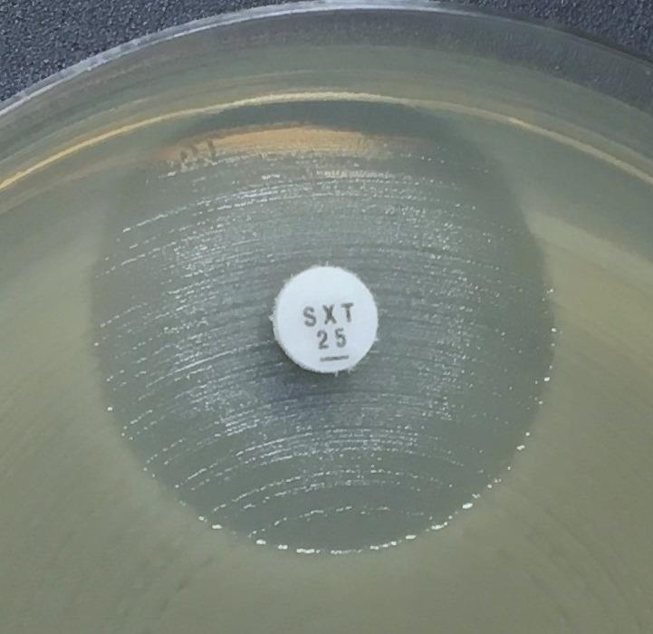
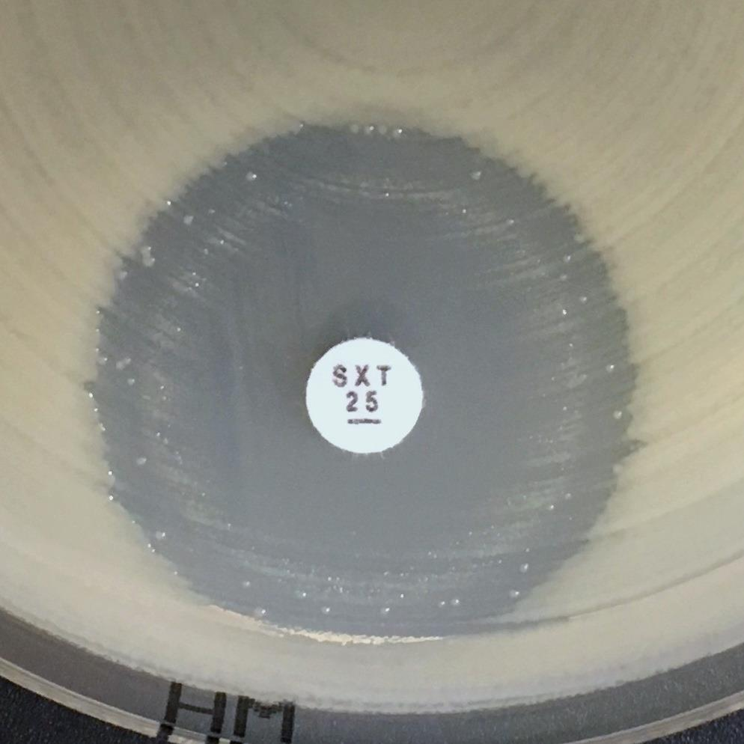
a)
b)
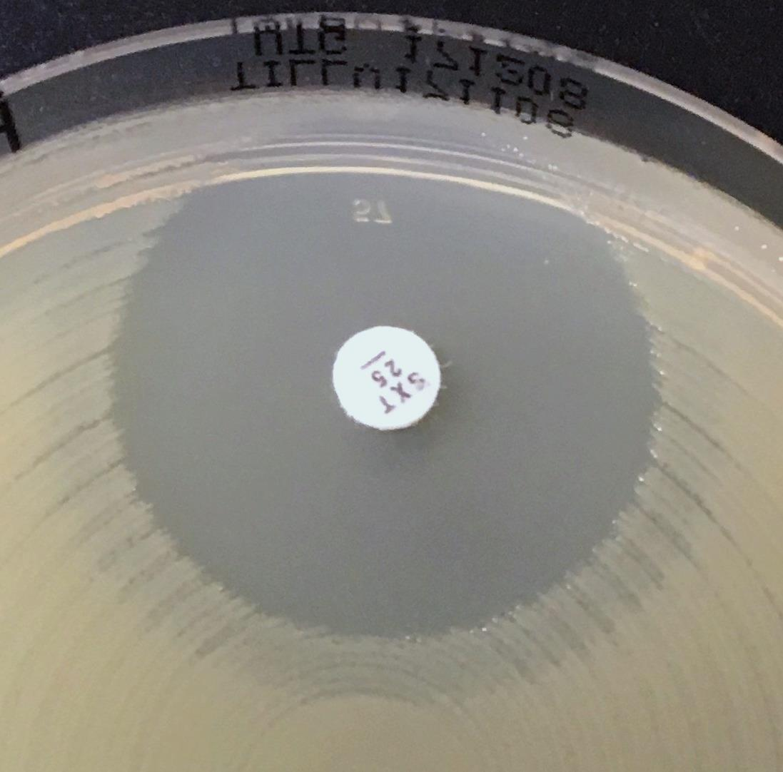
c)

Examples of inhibition zones for Aeromonas spp. with trimethoprim-sulfamethoxazole.
a-c) Read the obvious zone edge and disregard haze or growth within the inhibition zone.

